Sheet2
Row Labels | Count of Department
Admin Offices | 9
Executive Office | 1
IT/IS | 50
Production | 209
Sales | 31
Software Engineering | 11
Grand Total | 311

Sheet1
Row Labels | Count of Sex
F | 176
M | 135
Grand Total | 311

Male | 179
Female | 135

Sheet3
Row Labels | Count of RecruitmentSource
CareerBuilder | 23
Diversity Job Fair | 29
Employee Referral | 31
Google Search | 49
Indeed | 87
LinkedIn | 76
On-line Web application | 1
Other | 2
Website | 13
Grand Total | 311

Sheet5
Row Labels | Average of Salary
Admin Offices | 71791.888889
Executive Office | 250000
IT/IS | 97064.64
Production | 59953.545455
Sales | 69061.258065
Software Engineering | 94989.454545
Grand Total | 69020.684887

Sheet4
Row Labels | Count of EngagementSurvey
Admin Offices | 9
Executive Office | 1
IT/IS | 50
Production | 209
Sales | 31
Software Engineering | 11
Grand Total | 311

Sheet6
Average of EmpSatisfaction
3.9

Rating | 3.9 | 0.77813504823
Balance Ratnig | 1.1 | 0.22186495177

Dashboard
🧑🧑🧑🧑🧑🧑🧑🧑🧑
Employee Retention & Performance
Job
Satisfaction
Rating
 | 0.77813504823
 | 0.22186495177
3.9

👥Total Employee
311
Avg. Salary
$69,o21
Avg. Absences
10.24
Active Employee
207

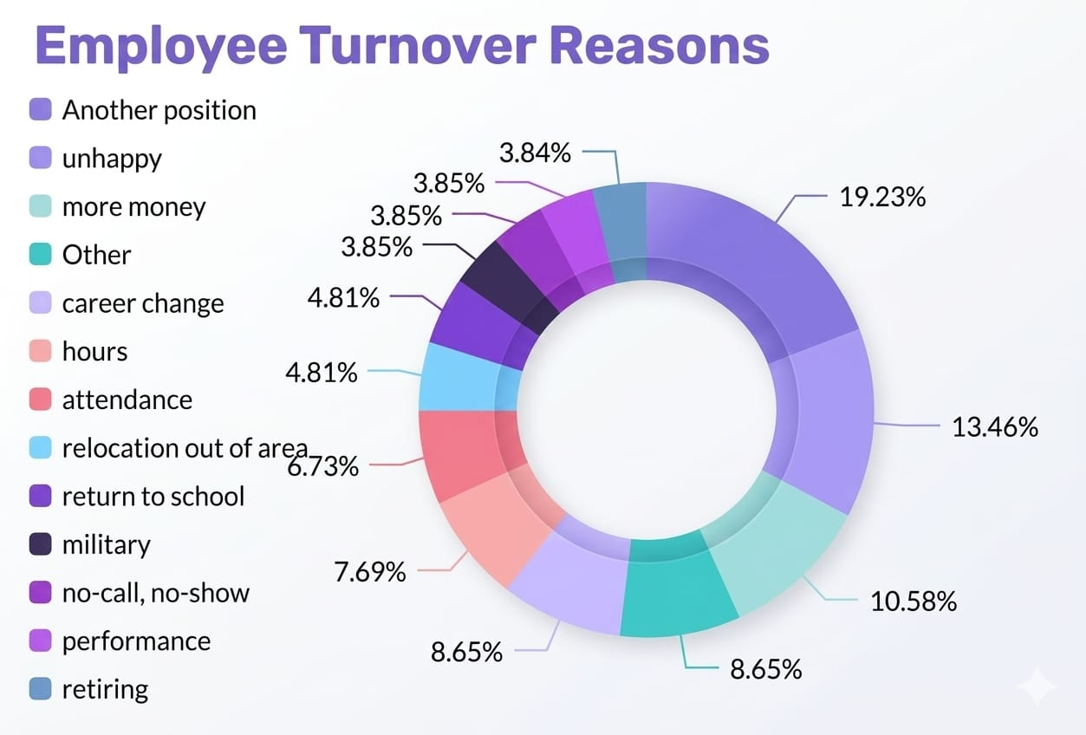
Employee Distribution By Department
Gender Distirbution
 | Total
Admin Offices | 9
Executive Office | 1
IT/IS | 50
Production | 209
Sales | 31
Software Engineering | 11

 | Total
F | 176
M | 135
 | Total
F | 176
M | 135

135
176

Male
Female

Average Salary By Department
👥👥👥👥👥👥
Recruiment Analysis
Performance VS Attendance

 | Total
Admin Offices | 71791.888889
Executive Office | 250000
IT/IS | 97064.64
Production | 59953.545455
Sales | 69061.258065
Software Engineering | 94989.454545
 | Total
CareerBuilder | 23
Diversity Job Fair | 29
Employee Referral | 31
Google Search | 49
Indeed | 87
LinkedIn | 76
On-line Web application | 1
Other | 2
Website | 13
 | Total
Admin Offices | 9
Executive Office | 1
IT/IS | 50
Production | 209
Sales | 31
Software Engineering | 11

